Reference map
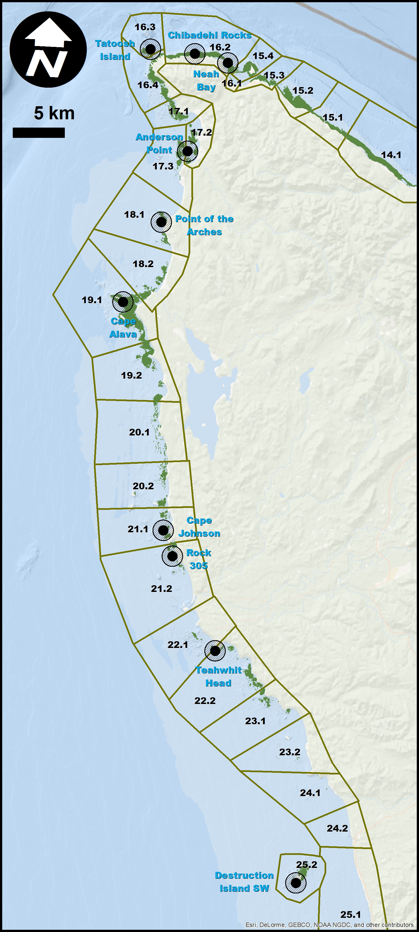

Planimeter canopy vs canopy plo
Sum of tot_can |  | Sum of tot_pl
Row Labels | Total | Row Labels | Total
1989 | 727.3 | 1989 | 2604.3
1990 | 1035 | 1990 | 3679.6
1991 | 991.6 | 1991 | 3109.7
1992 | 873.3 | 1992 | 2852.3
1994 | 825.5 | 1994 | 2850.1
1995 | 899.1 | 1995 | 3375.2
1996 | 1064.6 | 1996 | 3511.8
1997 | 721.9 | 1997 | 2640.4
1998 | 1353 | 1998 | 4003.9
1999 | 1767.8 | 1999 | 4441.4
2000 | 2574.7 | 2000 | 6250.1
2001 | 1681.6 | 2001 | 4315.9
2002 | 2263.6 | 2002 | 5215.2
2003 | 1440.9 | 2003 | 3859.2
2004 | 1725.7 | 2004 | 4104.6
2005 | 2184 | 2005 | 4962.5
2006 | 2013.4 | 2006 | 4866.7
2007 | 2012.3 | 2007 | 4994.6
2008 | 1758.1 | 2008 | 4724.9
2009 | 1663.9 | 2009 | 4278.2
2010 | 1683.6 | 2010 | 4151.4
2011 | 1698 | 2011 | 4449
2012 | 1482.7 | 2012 | 4208.8
2013 | 1297.1 | 2013 | 3913.2
2014 | 850 | 2014 | 2901
2015 | 1411 | 2015 | 4235.6
2016 | 1510.7 | 2016 | 4642.1
Grand Total | 39510.4 | Grand Total | 109141.7

Canopy RDI vs planimeter plot
Canopy area divided by RDI summary as a function of canopy planimeter total area
 | Canopy to planimeter canopy ratio vs. RDI summary
2.7 | 2.0
2 | 2.5
1.1 | 0.9
2.4 | 5.0
5.5 | 5.0
2.9 | 3.3
4.3 | 0.0
5.6 | 10.0
5.6 | 10.0
1.7 | 1.7
0.8 | 0.8
1.8 | 2.0
1 | 1.1
4.1 | 5.0
2.2 | 1.4
5.5 | 5.0
1.3 | 2.5
1.2 | 1.0
3 | 2.5
0.9 | 1.7
2.5 | 5.0
2.3 | 2.5
1.3 | 2.5
1.9 | 2.0
2.7 | 2.0
3.9 | 3.3
1.7 | 2.0
2.9 | 2.5
2 | 1.4
2.2 | 2.5
1.1 | 1.7
1.6 | 1.7
3 | 2.0
1.1 | 1.0
3 | 2.5
2 | 1.7
1.6 | 1.7
1.6 | 1.3
1.7 | 1.3
3.7 | 3.3
2.2 | 2.5
2.6 | 2.5
2.3 | 2.5
5.9 | 6.7
1.7 | 2.2
1.6 | 2.0
2.8 | 2.9
4.6 | 4.0
6.5 | 6.7
1.6 | 1.3
...

Canopy ratio vs RDI summary plo
Canopy to planimeter canopy ratio as a function of RDI summary
 | BEF canopy to planimeter canopy ratio
0.05 | 0.04
0.04 | 0.05
0.11 | 0.09
0.02 | 0.04
0.02 | 0.02
0.03 | 0.03
0.00 | 0.02
0.01 | 0.02
0.01 | 0.02
0.06 | 0.06
0.12 | 0.13
0.05 | 0.06
0.09 | 0.10
0.02 | 0.02
0.07 | 0.05
0.02 | 0.02
0.04 | 0.08
0.10 | 0.08
0.04 | 0.03
0.06 | 0.11
0.02 | 0.04
0.04 | 0.04
0.04 | 0.08
0.05 | 0.05
0.05 | 0.04
0.03 | 0.03
0.05 | 0.06
0.04 | 0.03
0.07 | 0.05
0.04 | 0.05
0.06 | 0.09
0.06 | 0.06
0.05 | 0.03
0.10 | 0.09
0.04 | 0.03
0.06 | 0.05
0.06 | 0.06
0.08 | 0.06
0.08 | 0.06
0.06 | 0.05
0.08 | 0.09
0.08 | 0.08
0.08 | 0.09
0.03 | 0.03
0.09 | 0.12
0.10 | 0.13
0.07 | 0.07
0.05 | 0.04
0.03 | 0.03
0.15 | 0.13
...

